Overview
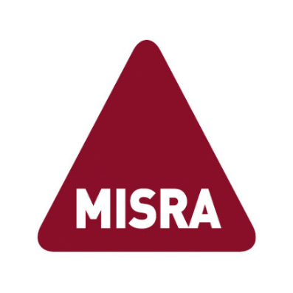
 | MISRA C:2023
 | Guideline Re-categorization Plan for Automatically Generated Code

 | Version v1.0.0
 | 3rd March 2025

Introduction
Scope | This optional Guideline Re-categorization Plan (GRP) is intended to provide assistance in achieving compliance to MISRA C for automatically generated code (AGC), in accordance with MISRA Compliance [1], and references deviation permits defined in MISRA C:2012 Permits [2].
 | All guidelines retain their default category, unless otherwise stated.
Compatibility | This document is intended to be used with:
 | MISRA C:2023 (3rd Edition, 2nd Revision) [3], and replaces Appendix E.1 therein
Definition | In this document, automatically generated code (AGC) means source code that is not intended to be read, reviewed or modified (including by inserting manually written code) by human programmers.
 | For the purposes of the MISRA C Guidelines, AGC refers only to C code emitted by a qualifiable code generator that deterministically translates an input program, expressed in a high-level modelling or programming language, into a semantically equivalent C program by means of a complete semantical mapping between the language constructs of the input language and the C language.
 | In particular, code fragments produced by stochastic processes, statistical language models or machine learning based approaches are not treated as automatically generated code.
Copyright and Licencing
Publisher | Published by The MISRA Consortium (www.misra.org.uk)
 | 1 St James Court, Whitefriars, Norwich, Norfolk NR3 1RU
Copyright | Copyright ©2020-2025 The MISRA Consortium Limited
 | “MISRA”, “MISRA C” and the triangle logo are registered trademarks owned by The MISRA Consortium Limited.
Licencing | This file is licenced under a:
 | Creative Commons Attribution 4.0 International (CC BY 4.0)
 | licence. See https://creativecommons.org/licenses/by/4.0/
Derivatives | Derivative works are encouraged.
 | However, the MISRA triangle logo shall be removed from any such derivative works.
Disclaimer | Adherence to the requirements of MISRA C does not in itself ensure error-free robust software or guarantee portability and re-use.
 | Compliance with the requirements of MISRA C, or any subsequently published modification, does not of itself confer immunity from legal obligations.
 | No warranty (express or implied) is provided with this Guideline Re-categorization Plan.
Feedback | Please direct any comments or suggestions about this document to: chair.c@misra.org.uk

References
Reference 1 | MISRA Compliance:2020 Achieving compliance with MISRA Coding Guidelines
 | ISBN 978-1-906400-26-2 (PDF)
 | HORIBA MIRA Limited, Nuneaton, February 2020
Reference 2 | MISRA C:2012 Permits Deviation permits for MISRA Compliance (1st Edition)
 | ISBN 978-1-906400-27-9 (PDF)
 | HORIBA MIRA Limited, Nuneaton, March 2021
Reference 3 | MISRA C:2023 Guidelines for the use of the C language in critical systems (3rd Ed, 2nd Rev)
 | ISBN 978-1-911700-08-1 (paperback), ISBN 978-1-911700-09-8 (PDF)
 | The MISRA Consortium Limited, Norwich, April 2023

